Sheet1
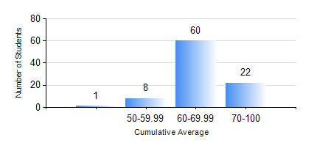
 |  |  | KWAME NKRUMAH UNIVERSITY OF SCIENCE AND TECHNOLOGY, KUMASI Department of Chemical Engineering

 |  |  | BSC. PETROCHEMICAL ENG.

 |  |  | COMPREHENSIVE RECORD OF EXAMINATION RESULTS

 |  |  | RESULTS OF YEAR 1 SECOND SEMESTER, 2019/2020 ACADEMIC YEAR

 | Sn | Course Code |  | Course Name | Credit Hours | Min. Mark | Max. Mark | Avg. Mark | Std. Dev. | No. Passed | No. Trailed | No. (Df) | No. (I) | No. (I*) | No. Tagged(I,I*,Df) | Total
 | 0. |  |  |  |  |  |  | 0 | 0 | 0 | 0 | 0 | 0 | 0 | 0 | 1
 | 1. | CHE 156 |  | PHYSICAL CHEMISTRY FOR ENGINEERS | 2 | 51 | 85 | 72 | 7.52 | 90 | 0 | 0 | 0 | 0 | 0 | 90
 | 2. | EE 152 |  | BASIC ELECTRONICS | 2 | 51 | 96 | 82 | 7.99 | 88 | 0 | 0 | 2 | 0 | 2 | 90
 | 3. | ENGL 158 |  | COMMUNICATION SKILLS II | 2 | 41 | 88 | 73 | 8.24 | 88 | 0 | 0 | 2 | 0 | 2 | 90
 | 4. | MATH 152 |  | CALCULUS WITH ANALYSIS | 4 | 40 | 92 | 74 | 12.87 | 89 | 0 | 0 | 1 | 0 | 1 | 90
 | 5. | ME 162 |  | BASIC MECHANICS | 3 | 27 | 77 | 66 | 7.21 | 87 | 1 | 0 | 2 | 0 | 2 | 90
 | 6. | PCE 158 |  | INTRODUCTION TO INFORMATION TECHNOLOGY | 2 | 59 | 81 | 71 | 4.29 | 90 | 0 | 0 | 0 | 0 | 0 | 90
 | 7. | PHY 170 |  | GENERAL PHYSICS | 3 | 40 | 81 | 62 | 8.23 | 90 | 0 | 0 | 0 | 0 | 0 | 90

